CC
Script No. | Test Case | Steps | Success criteria | Screenshots
1 | Go to home page <NEED TO ENSURE THAT THIS IS STILL WORKING FINE> | 1. Go to qa.cymax.com 2. Wait for the page to load. Capture screenshot. | Home page is successfully displayed | 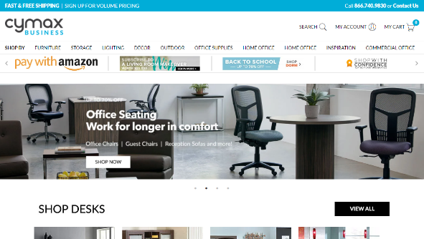
 |  | Exception Handling: 1. Any crashes, Page does not load | failure test case, capture screenshot, enter in log . Try total 3 times and then exit the test script
2 | Search Functionality <NEED TO ENSURE THAT THIS IS STILL WORKING FINE> | 1. Go to the Homepage. 2. Type 1 keyword item name in search field. 3. Click on the search button. 4. Search result will display.capture the screenshot. | Search result should be displayed | 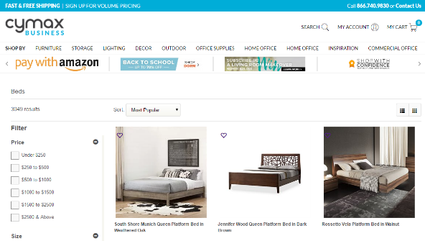
 |  | 1. Type 2 keyword item name in search field. 2. Click on the search button. 3. Search result will display.capture the screenshot. |  | 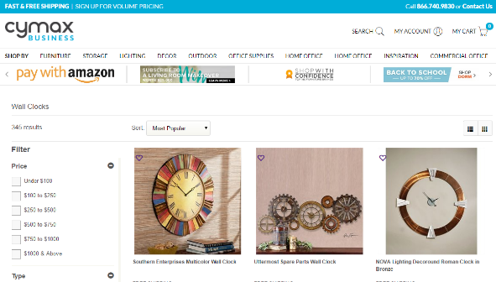
 |  | 1. Type 3 keyword item name in search field. 2. Click on the search button. 3. Search result will display. Capture the screenshot. |  | 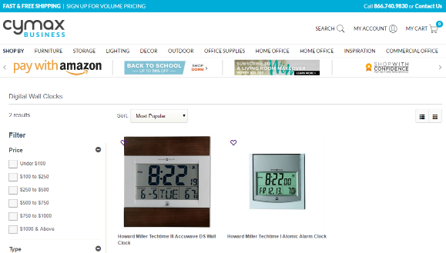
 |  | 1. Type 4 keyword item name in search field. 2. Click on the search button. 3. Search result will display.capture the screenshot. |  | 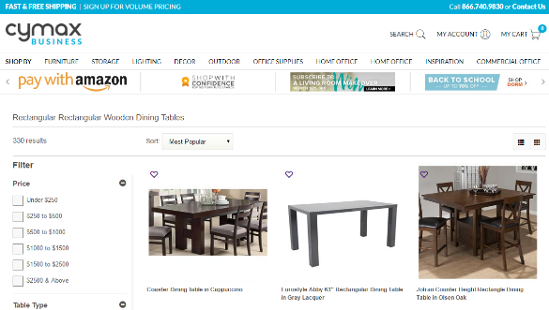
 |  | 1. Enter the product ID in search field. 2. Click on the Search button. 3. Search result will display.capture the screenshot. |  | 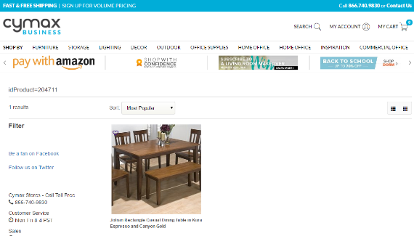
 |  | Exception Handling: 1. Any crashes, Page does not load | failure test case, capture screenshot.
3 | Product listing page refinement <NEED TO ENSURE THAT THIS IS STILL WORKING FINE> | 1. Go to the product list page. 2. Click on the sort filter. 3. Select the "Highest Price" from dropdown list. 4. Product will display in decreasing price ordered.capture the screenshot. | Search result should be displayed | 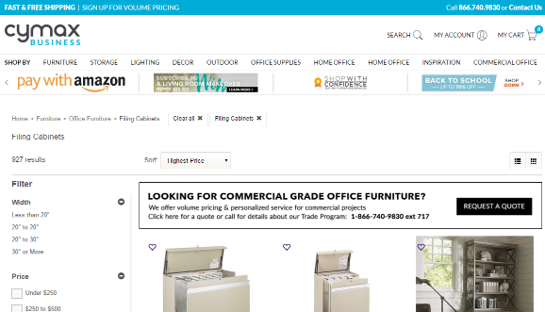
 |  | 1. Click on the sort filter. 2. Select the "lowest Price" from dropdown list. 3. product will display in inceasing ordered.capture the screenshot. |  | 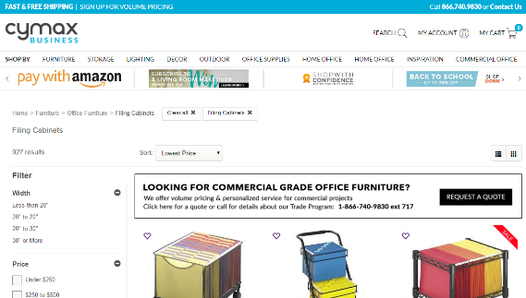
 |  | 1. Go to the product list page. 2. click on the single check box in refine area. 3. results will refine according to the selected filter. Capture the sceenshot. |  | 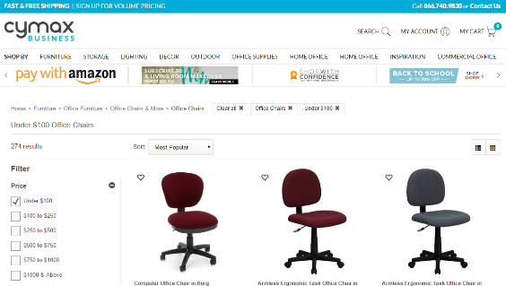
 |  | 1. Go to the product list page. 2. Select the multiple check box in refine area. 3. results will refine according to the selected filters. Capture the sceenshot. |  | 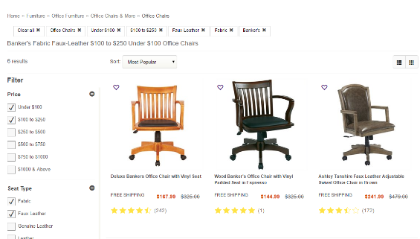
 |  | 1. Go to the product list page. 2. Click on the list view icon. 3. The items will display in list.Capture the screenshot |  | 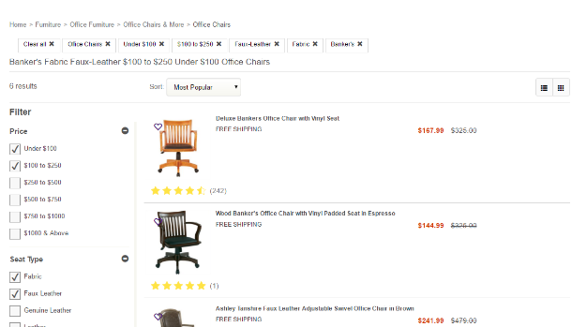
 |  | 1. Go to the product list page. 2. Click on the Grid view icon. 3. The items will display in grid.Capture the screenshot |  | 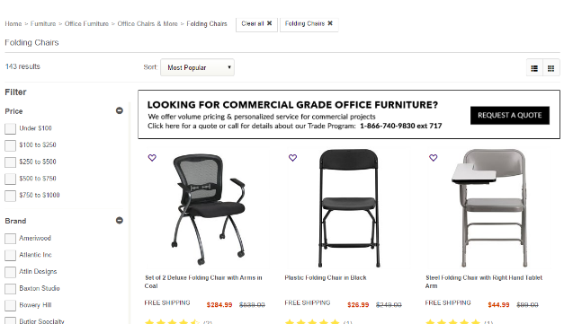
 |  | Exception Handling: 1. Any crashes, Page does not load | failure test case, capture screenshot.
4 | Create New Account <NEED TO ENSURE THAT THIS IS STILL WORKING FINE> | 1. From Previous Test case , hover the mouse on My Account.Dropdown will display. Capture screenshot. 2.Click on Signup link. 3. Create my account page will show. 4. Enter the different fields.Capture Screenshot Notes: Use US Country, state and ZIP code 10 digit phone number Unique email address every time Password can be same everytime: cymaxqa 5. Click on Register 6. After sucessful account creation, the user should be directed to their account page. Capture Screenshot | Customer is able to sucessfully create account | 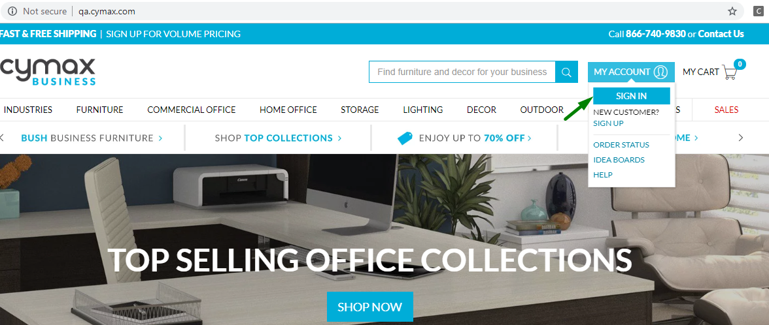 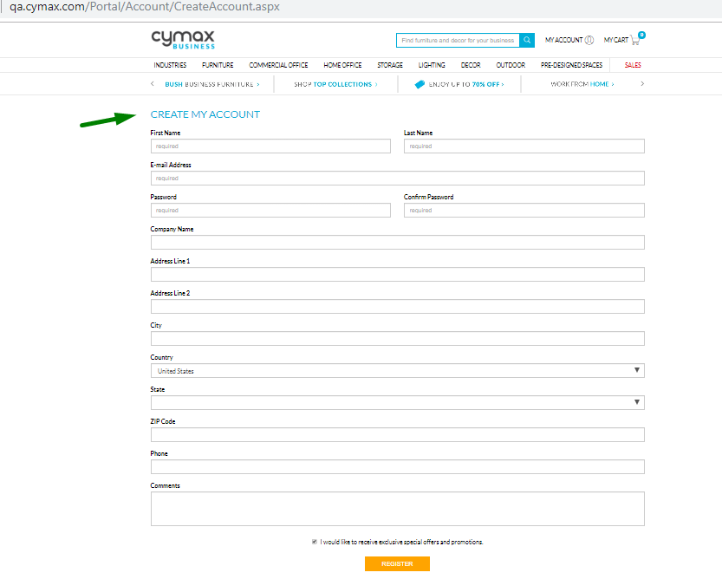 
 |  | Exception Handling: 1. Any crashes, Page does not load 2. Issue of validations in the sign up page fields | failure test case, capture screenshot, enter in log . Try total 3 times and then exit the test script
5 | Enhanced Functionality: Add Items to Cart <NEED TO ENSURE THAT THIS IS STILL WORKING FINE> | 1. From previous test case, click on Furniture>> Bedroom>> Beds 2. Beds category Page will show. Capture Screenshot 3. Click on Bed Item: 1652636 4. Product Page will open. Capture Screenshot 5. Select Quantity 2 (if the quantity Dropdown exists) 6. Click on Add to Cart. 7. Cart page will show. capture Screenshot | The Selected product should be successfully added to the cart | 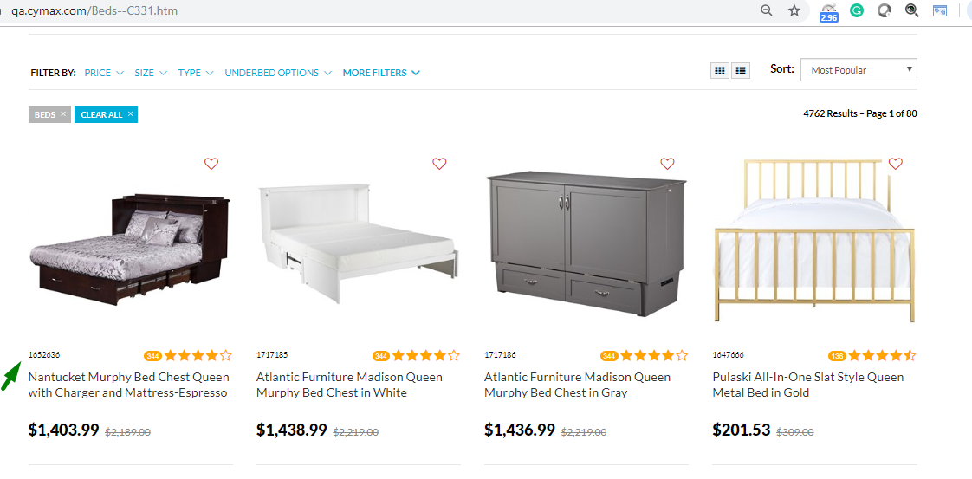 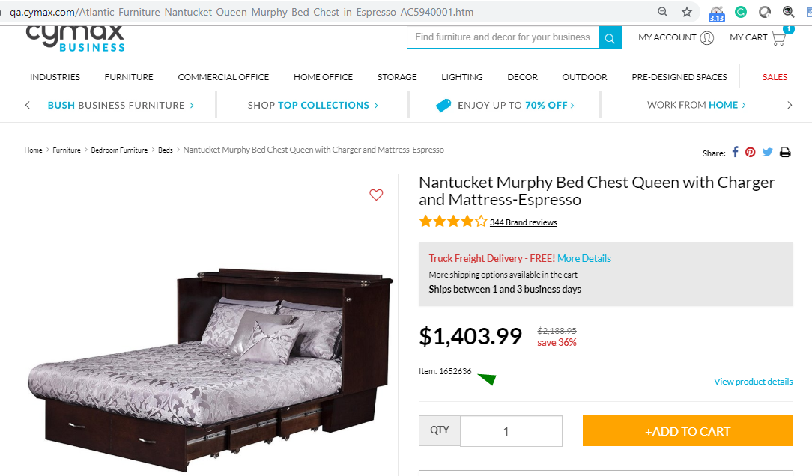 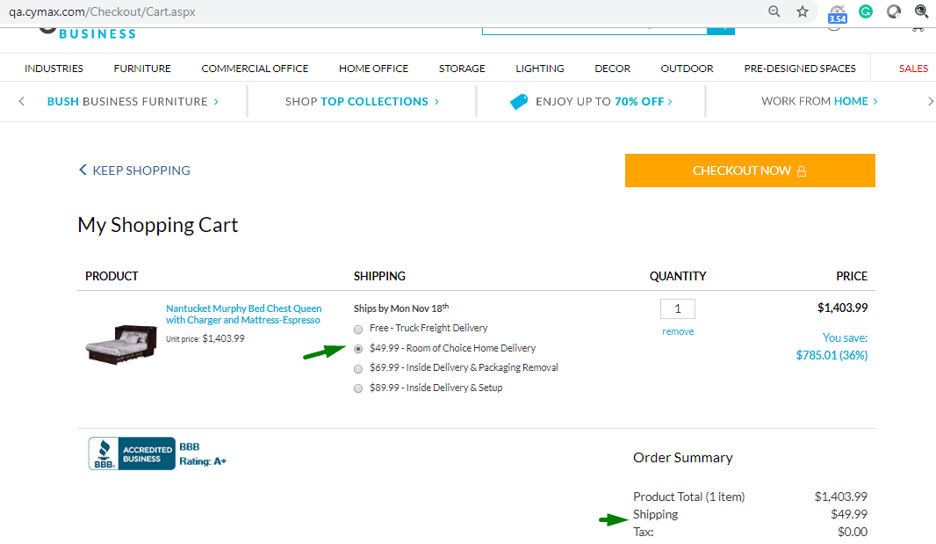
 |  | Exception Handling: 1. Any crashes, Page does not load | failure test case, capture screenshot, enter in log . Try total 3 times and then exit the test script
6 | Enhanced Functionality: Cart pages <NEED TO ENSURE THAT THIS IS STILL WORKING FINE> | 1. From previous test case, click on Keep Shopping link. 2. You will be directed back to product page. Capture screenshot 3. Put PLA link from parameters in the browser URL and click go/Enter.Wait for the page to load and then. Capture screenshot. 4.Click Go/enter and PLA page will be displayed. Capture screenshot 5. Product page for this item will show. capture Screenshot 6. Click Add to Cart button. 7. Cart pages should be displayed with the newly added product. capture screenshot 8. Click on Remove link to remove the Beds from the cart. take screenshot after item is removed 9. Put 2 in the test box for quantity for the remaining item in cart . 10. Add shipping charges for the item in the cart a) Validate: Shipping price will show same throuthout the order completion process b) Tax Amount should be Zero on My cart page 11. Capture screenshot after quantity and price are updated. | Customer should be able to add , remove and update items in the shopping cart | 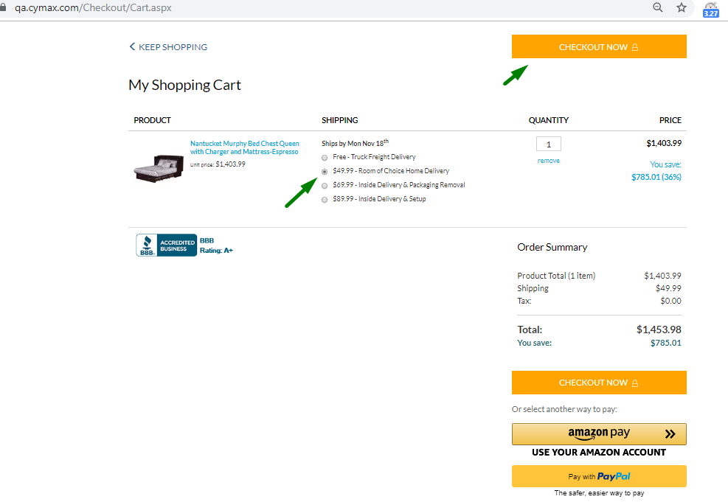 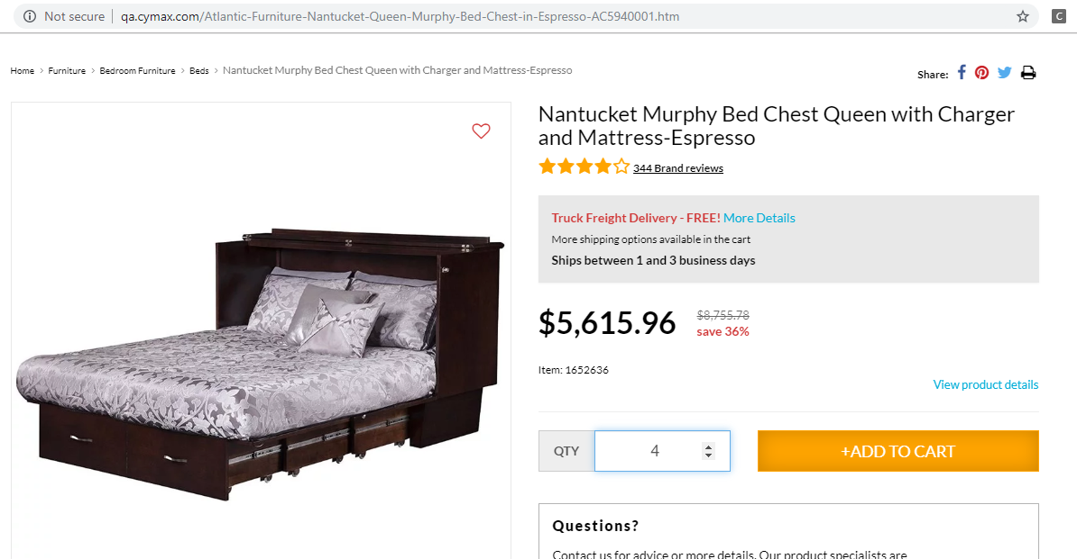 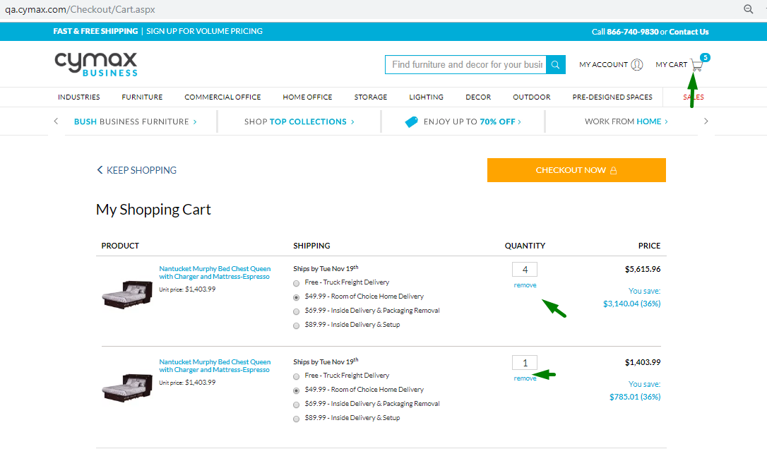 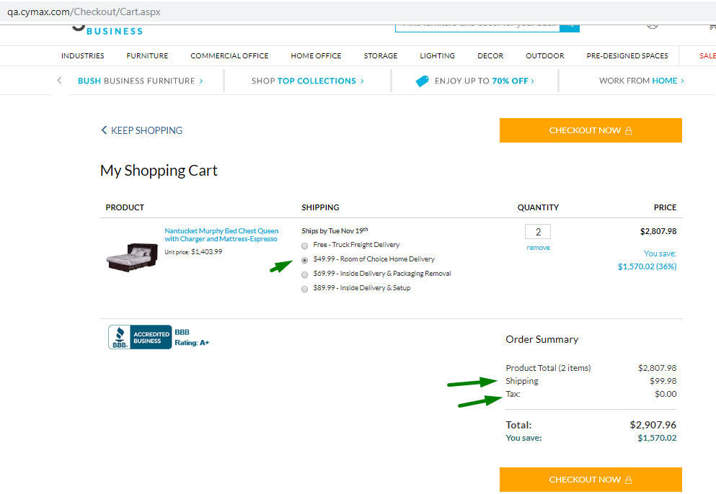
 |  | Exception Handling: 1. Any crashes, Page does not load | failure test case, capture screenshot, enter in log . Try total 3 times and then exit the test script
7 | Checkout via Credit card payment option | 1. From previous test case, click on checkout now button. 2. Customer will be directed to the shipping information page. Capture Screenshot 3. click on 'Review order' button. 4. Customer will be redirected to Review Your Order page. Capture Screenshot. Vadidate Followings:- a) Product total amount b) Shipping c) Tax d) Total on Review Order page 5. Click on 'Continue To Payment' button. 6. User will redirected to the Payment information page. Vadidate Followings:- a) Product total amount b) Shipping c) Coupon amount d) Tax e) Total on Payment page 7. Select payment methos as Credit card and enter the credit card details . Capture screenshot. 8. Click on Place order button. | Customer should be able to checkout suceesfully. The billing address should be same as the address provided by user during account creation and should be auto populated | 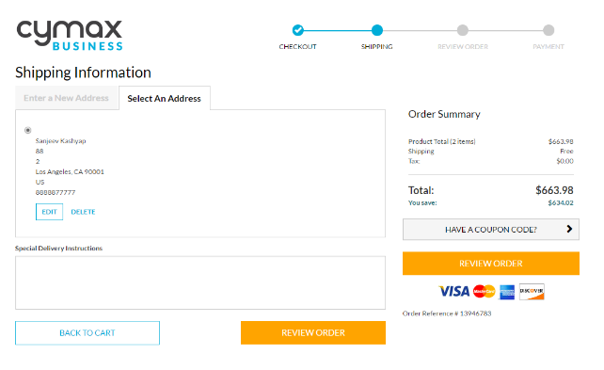 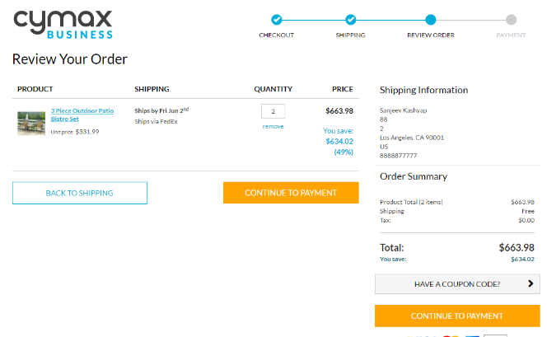 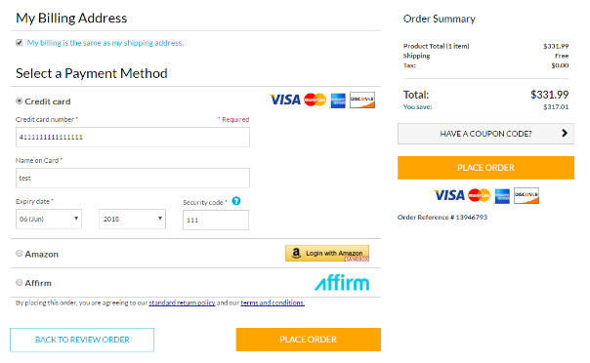
 |  | Exception Handling: 1. Any crashes, Page does not load | failure test case, capture screenshot, enter in log . Try total 3 times and then exit the test script
8 | Order Confirmation <NEED TO ENSURE THAT THIS IS STILL WORKING FINE> | 1. From previous test case, customer will see Order Confirmation page. Capture screenshot 2.Verify that order is sucessfully created. Store the order ID 3.Validate text "Thank you for your order!" Vadidate Followings:- a) Product total amount b) Shipping c) Tax d) Total on Order Confirmation page 4. Click on Return To Homepage Button. capture screenshot 5. Click on My account>>order history link. 6. Verify that the order is showing in the Order History tab. Vadidate Followings:- a) Product total amount b) Shipping c)Tax d) Total on order history tab Capture Screenshot | Order confirmation is seen by customer after placing order and also in his order history page | 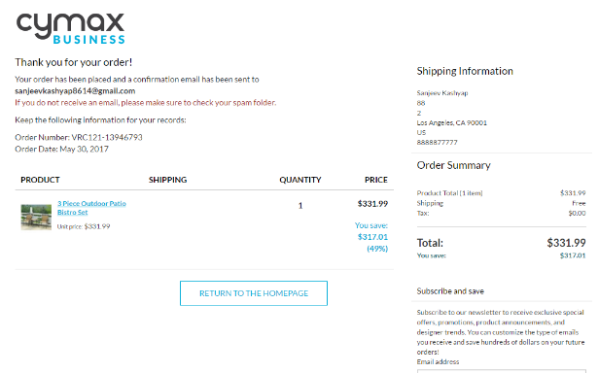 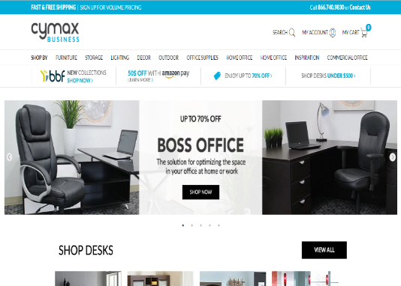 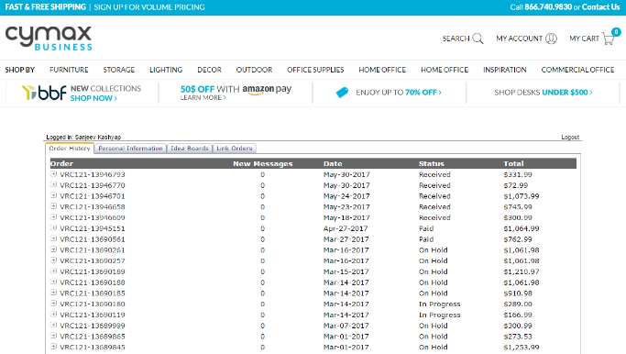
 |  | Exception Handling: 1. Any crashes, Page does not load | failure test case, capture screenshot, enter in log . Try total 3 times and then exit the test script
 | Email confirmation page | 1. From previous test case, 2. Open URL; https://www.mailinator.com/ 3. Enter Username on to search box on the top 4. Click on search Button 5. Click on very first email and Vadidate Followings:- a) Product total amount b) Shipping c) Tax d) Total on order detail e-Mail
9 | Log Off <NEED TO ENSURE THAT THIS IS STILL WORKING FINE> | 1. From previous test case,click on Logout Link 2. Logout sucessful page will show 3. Close browser
 |  | Exception Handling: 1. Any crashes, Page does not load | failure test case, capture screenshot, enter in log . Try total 3 times and then exit the test script

